Cover
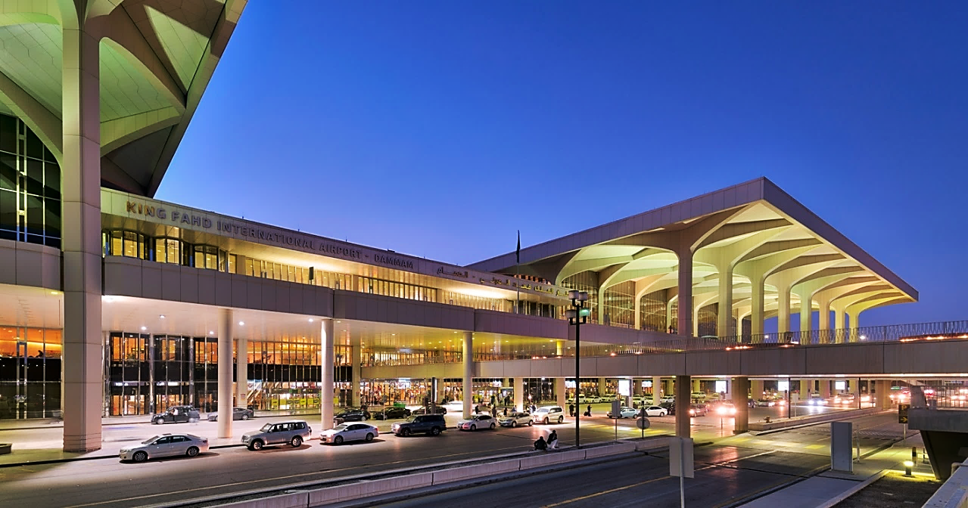

KING FAHAD INTERNATIONAL AIRPORT
LANDSIDE SERVICES

FENCING INTEGRITY
ROADS & GROUNDS / LANDSCAPING
(MONTH OF NOVEMBER 2024)

ABATAT CONTRACTING COMPANY

Doc1
KING FAHD INTERNATIONAL AIRPORT
LANDSIDE SERVICES

FENCING INTEGRITY

NO. | DESCRIPTION | WORK ACTIVITY | PHOTOS
1 | Fence | Removal of unwanted vegetations on all the fences of Landside Facilities in the airport terminal | 